Ghana by urban_rural
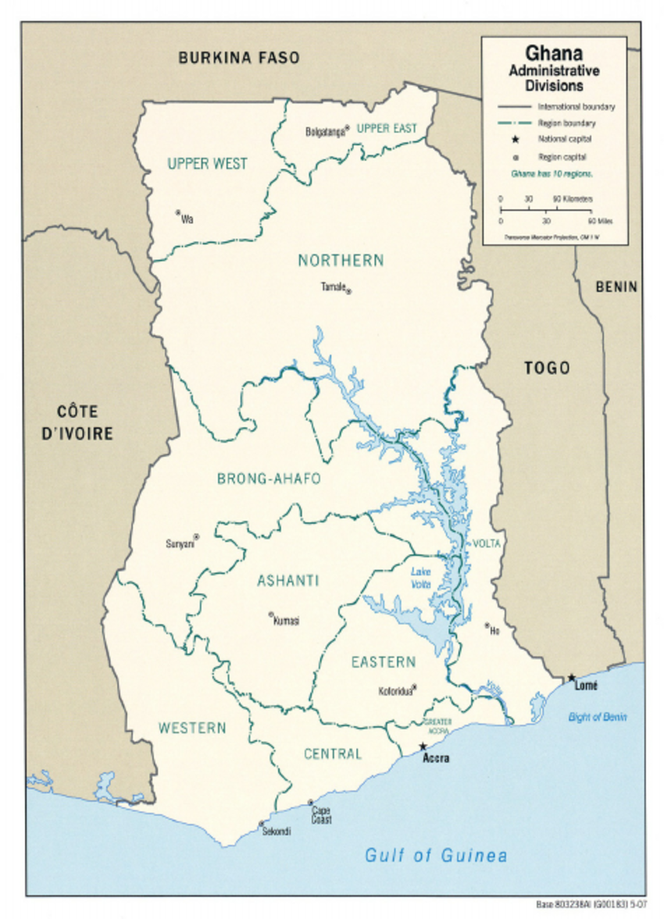
 | seasonality | treated for fever / cough |  |  | Received DPT3 |  |  | Used ITN |  |  | Access to ITN |  |  | microscopy |  |  | travel time (hour) |  |  | vac_y_itn_n
Admin1 |  | rural | urban | diff | rural | urban | diff | rural | urban | diff | rural | urban | diff | rural | urban | diff | rural | urban | diff | rural | urban | diff
Ashanti | perennial | 0.46 | 0.35 | 0.11 | 0.85 | 0.80 | 0.05 | 0.57 | 0.43 | 0.14 | 0.89 | 0.78 | 0.11 | 0.30 | 0.06 | 0.24 | 0.14 | 0.04 | 0.10 | 0.37 | 0.46 | -0.09
Brong Ahafo | perennial | 0.64 | 0.57 | 0.07 | 0.85 | 0.85 | 0.01 | 0.69 | 0.53 | 0.16 | 0.91 | 0.80 | 0.11 | 0.36 | 0.16 | 0.20 | 0.35 | 0.04 | 0.32 | 0.27 | 0.40 | -0.13
Central | perennial | 0.60 | 0.51 | 0.09 | 0.80 | 0.84 | -0.04 | 0.59 | 0.40 | 0.19 | 0.86 | 0.73 | 0.13 | 0.46 | 0.23 | 0.23 | 0.13 | 0.04 | 0.08 | 0.34 | 0.50 | -0.16
Eastern | perennial | 0.43 | 0.60 | -0.17 | 0.77 | 0.72 | 0.05 | 0.60 | 0.39 | 0.20 | 0.90 | 0.84 | 0.06 | 0.40 | 0.18 | 0.21 | 0.28 | 0.06 | 0.22 | 0.30 | 0.42 | -0.12
Greater Accra | perennial | 0.19 | 0.34 | -0.15 | 0.83 | 0.81 | 0.03 | 0.36 | 0.24 | 0.12 | 0.75 | 0.70 | 0.05 | 0.05 | 0.09 | -0.04 | 0.11 | 0.03 | 0.07 | 0.58 | 0.63 | -0.05
Northern | seasonal | 0.36 | 0.58 | -0.22 | 0.64 | 0.75 | -0.10 | 0.46 | 0.36 | 0.11 | 0.78 | 0.69 | 0.09 | 0.46 | 0.21 | 0.26 | 0.35 | 0.05 | 0.30 | 0.30 | 0.45 | -0.16
Upper East | seasonal | 0.69 | 0.66 | 0.03 | 0.84 | 0.86 | -0.02 | 0.44 | 0.22 | 0.21 | 0.80 | 0.73 | 0.07 | 0.12 | 0.05 | 0.07 | 0.19 | 0.03 | 0.16 | 0.48 | 0.67 | -0.20
Upper West | highly seasonal | 0.73 | 0.55 | 0.18 | 0.87 | 0.77 | 0.10 | 0.58 | 0.36 | 0.22 | 0.86 | 0.90 | -0.04 | 0.39 | 0.07 | 0.32 | 0.22 | 0.03 | 0.19 | 0.36 | 0.47 | -0.10
Volta | perennial | 0.56 | 0.46 | 0.11 | 0.82 | 0.73 | 0.09 | 0.70 | 0.62 | 0.08 | 0.92 | 0.88 | 0.04 | 0.32 | 0.12 | 0.20 | 0.35 | 0.07 | 0.28 | 0.24 | 0.29 | -0.05
Western | perennial | 0.66 | 0.70 | -0.04 | 0.73 | 0.77 | -0.04 | 0.58 | 0.34 | 0.24 | 0.85 | 0.72 | 0.14 | 0.46 | 0.21 | 0.25 | 0.19 | 0.04 | 0.14 | 0.30 | 0.49 | -0.19

